ART
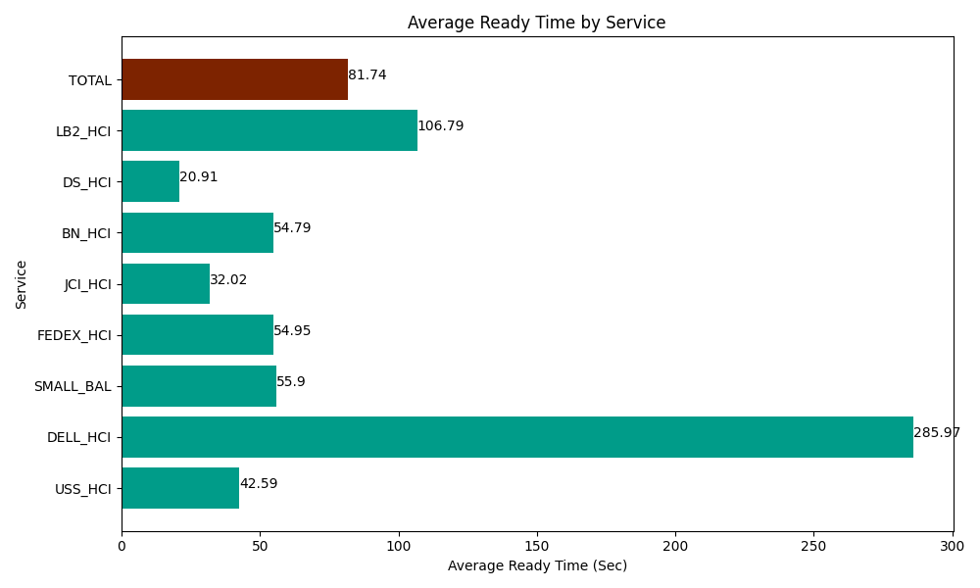
Date | Service | Successful Op Transfer | In Call (Sec) | Ready (Sec) | Wrapup (Sec) | Not Ready (Sec) | Average Ready Time (Sec)
03-19-2024 | USS_HCI | 246 | 35967.000732 | 10476.000366 | 39352.199707 | 8343.0001831 | 42.59
03-19-2024 | DELL_HCI | 92 | 8571.0003662 | 26308.800659 | 17527.800293 | 7618.8002014 | 285.97
03-19-2024 | SMALL_BAL | 360 | 23089.200439 | 20125.799561 | 42947.999268 | 45124.200439 | 55.9
03-19-2024 | FEDEX_HCI | 36 | 3574.1999817 | 1978.2000732 | 4138.8002014 | 1003.1999588 | 54.95
03-19-2024 | JCI_HCI | 696 | 81890.998535 | 22282.800293 | 93165 | 34425 | 32.02
03-19-2024 | BN_HCI | 708 | 55252.800293 | 38788.198242 | 95815.202637 | 53065.198975 | 54.79
03-19-2024 | DS_HCI | 960 | 72454.196777 | 20071.799927 | 114814.79736 | 103453.79883 | 20.91
03-19-2024 | LB2_HCI | 58 | 5488.8002014 | 6193.8002014 | 6160.1998901 | 4354.1999817 | 106.79
 | TOTAL | 3156 | 286288.19733 | 146225.39932 | 413921.99936 | 257387.39857 | 81.74

